Sheet1

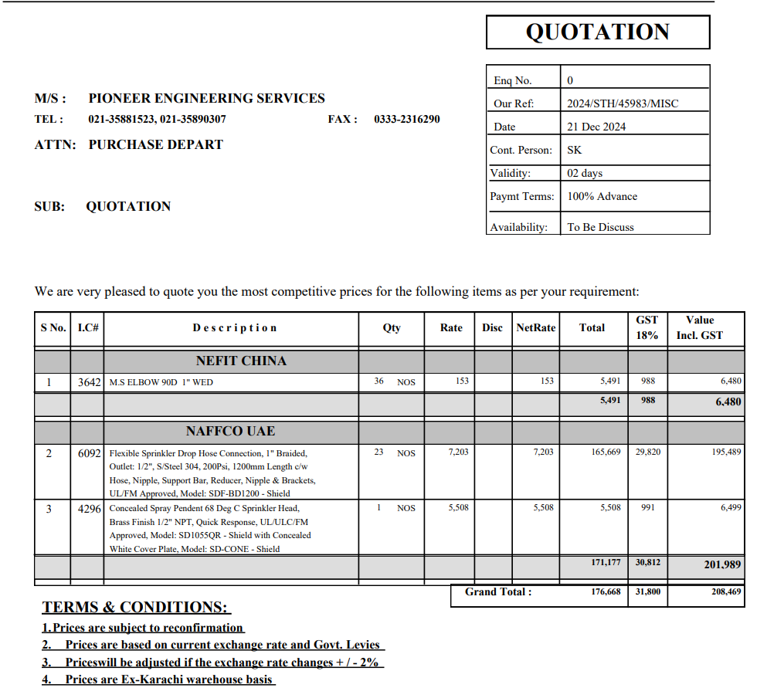

M/S IK Associates |  |  |  |  |  |  | 2024-12-21

Project: Citi bank DMC Karachi

Attn: Syed Talal

Variation order for Flexible Fire pipe with related fittings.

S. # | Description | Rate | Over Head profit 28% | Total Rates | Unit | Qty | Amount
1 | Supply Scope
i | Supply of Corrugated Flexible Fire Pipe. | 8,500 | 2,380 | 10,880 | Nos | 23 | 250,240
ii | Supply of sprinklers conceiled pendent | 6,500 | 1,820 | 8,320 | No | 1 | 8,320
iii | Supply of MS Elbow 1" Dia. | 180 | 50 | 230 | Nos | 36 | 8,294
iv | Supply of MS Barrel Nipple 1" Dia | 400 | 112 | 512 | Nos | 18 | 9,216
2 | Installation Scope
i | Installation of Corrugated Flexible Fir Pipe | 1,500 | 420 | 1,920 | Nos | 23 | 44,160
ii | Installation of sprinklers | 500 | 140 | 640 | Nos | 1 | 640
iii | Installation of MS Elbow 1" Dia | 80 | 22 | 102 | Nos | 36 | 3,686
iv | Installation of MS Barrel Nipple 1" Dia | 200 | 56 | 256 | Nos | 18 | 4,608
v | Removal of exisitng pipe and sprinklers | 25,000 | 7,000 | 32,000 | Job | 1 | 32,000
Total Amount Rs. |  |  |  |  |  |  | 361,165

Note: Vendor's quotation attached

Thanking you,

For PIONEER ENGINEERING SERVICES.

Bilal Habib

